Main

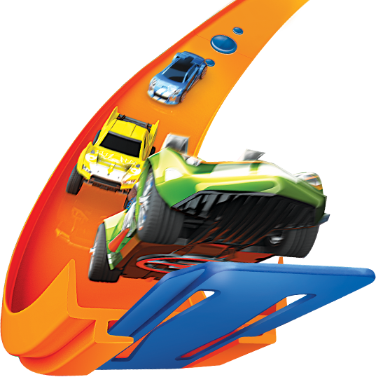

Carros | Valor | Parcelas | Taxa
Chevrolet Camaro SS (1969) | R$ 504,720.00 | 48 | 0.12%
Dodge Charger R/T (1969) | R$ 605,664.00 | 48 | 0.12%
Ford Mustang Boss 429 (1969) | R$ 1,514,160.00 | 48 | 0.12%
Chevrolet Corvette Stingray (1963) | R$ 504,720.00 | 24 | 0.12%
Plymouth Road Runner (1968) | R$ 353,304.00 | 60 | 0.12%
Pontiac GTO (1966) | R$ 403,776.00 | 48 | 0.12%
Jaguar E-Type (1961) | R$ 504,720.00 | 60 | 0.12%
Mercedes-Benz 300SL (1954) | R$ 5,047,200.00 | 24 | 0.12%
Alfa Romeo Spider (1966) | R$ 302,832.00 | 48 | 0.12%

Contar | Mínimo | Máximo | Média
9 | R$ 302,832.00 | R$ 5,047,200.00 | R$ 1,082,344.00

 |  | Carro Adquirido
 |  | Valor | R$ 5,000.00
 |  | Taxa | 0.12%
 |  | Prazo | 48
 |  | Valor Financiado | R$ 302,832.00

 |  | Valor das Parcelas | R$ 6,496.23

